Cover Page
Kenya Energy Accounts

 | Draft V 1.1 | 6-Jun-25

 | Prepared For:




 | Prepared By:



 | Contact Person: Jackie Crafford j.crafford@primeafrica.net

Price.Data.Inputs
Source: Kenya National Bureau of Statistics (KNBS) via email from Christine Mukami Magu on 25 Apr 2025
Descriptions/ Period | Motor Gasoline Premium (KSh per Litre) | Light Diesel Oil (KSh per Litre) | Illuminating Kerosene (KSh per Litre) | L.P.G (KSh per 13 Kg) | Charcoal (KSh per Kg ) |  | Charcoal (Ksh/TJ)
CPI, 2024
January | 207.97 | 197.21 | 194.96 | 3,055.51 | 76.89 |  | 2,563,124
February | 206.97 | 196.21 | 193.96 | 3,187.10 | 77.46 |  | 2,582,042
March | 199.77 | 191.11 | 189.48 | 3,231.84 | 78.64 |  | 2,621,331
April | 194.46 | 181.11 | 171.18 | 3,242.11 | 79.50 |  | 2,650,080
May | 193.46 | 179.91 | 169.52 | 3,221.29 | 82.32 |  | 2,744,123
June | 190.46 | 173.83 | 163.82 | 3,213.97 | 83.80 |  | 2,793,423
July | 189.46 | 172.33 | 162.52 | 3,219.58 | 84.41 |  | 2,813,579
August | 189.46 | 172.33 | 162.52 | 3,217.85 | 84.17 |  | 2,805,659
September | 189.46 | 172.33 | 159.10 | 3,196.04 | 85.32 |  | 2,844,159
October | 181.33 | 168.82 | 152.18 | 3,183.29 | 85.26 |  | 2,841,837
November | 181.33 | 168.82 | 152.18 | 3,147.66 | 85.29 |  | 2,843,055
December | 176.96 | 165.82 | 149.18 | 3,143.85 | 85.66 |  | 2,855,379
Average |  |  |  |  |  |  | 2,746,482

Source: Kenya National Bureau of Statistics (KNBS) via email from Christine Mukami Magu on 25 Apr 2025
Domestic and Small Commercial | Ksh/TJ | 4,444,444
Large and Medium | Ksh/TJ | 2,912,908
Street Lighting | Ksh/TJ | 2,566,667
E-mobility | Ksh/TJ | 3,333,333
Rural electrification | Ksh/TJ | 2,419,444
Other | Ksh/TJ

Source: Kenya National Bureau of Statistics (KNBS) via email from Christine Mukami Magu on 25 Apr 2025
Existing Code | Proposed Code | Customer | Energy Limit kWh/month | Charge Method | Unit | July 2023 - June 2024 | Ksh/TJ
 |  | Type (Code Name)
DC | DC-1 | Domestic Lifeline | 0-30 | Energy | KSh/kWh | 12.24 | 3,400,000
 | DC-2 | Domestic Ordinary | >30-100 | Energy | KSh/kWh | 16.58 | 4,605,556
 | DC-3 | Domestic Ordinary | >100 | Energy | KSh/kWh | 20.58 | 5,716,667
SC | SC-1 | Small Commercial | 0-30 | Energy | KSh/ kWh | 12.24 | 3,400,000
 | SC-2 | Small Commercial | >30-100 | Energy | KSh/kWh | 16.36 | 4,544,444
 | SC-3 | Small Commercial | >100 | Energy | KSh/kWh | 20 | 5,555,556
 | TOU | Time of Use for SC | >100 | Energy | KSh/kWh | 10 | 2,777,778
 | BULK TARIFF | Bulk Tariff for SC | 1,000-15,000 | Energy | KSh/kWh | 20 | 5,555,556
EM | E-mobility | Electric Mobility | 0 – 15,000 | Energy | KSh/kWh | 16 | 4,444,444
 |  |  |  |  |  |  | 0
 |  | Electric Mobility (TOU) |  | Energy | KSh/kWh | 8 | 2,222,222
CI1 | CI1 | Comm./industrial | >15,000 | Energy | KSh/kWh | 14.5 | 4,027,778
 |  |  |  |  |  |  | 0
 |  |  |  |  |  |  | 0
 |  |  |  | TOU | Ksh/kWh | 7.25 | 2,013,889
 |  |  |  | Bulk Tariff | Ksh/kWh | 14.5 | 4,027,778
 |  |  |  | Demand | KSh/kVA | 1100
CI2 | CI2 | Comm./industrial | No Limit | Energy | KSh/kWh | 13.08 | 3,633,333
 |  |  |  |  |  |  | 0
 |  |  |  |  |  |  | 0
 |  |  |  | TOU | Ksh/kWh | 6.54 | 1,816,667
 |  |  |  | Bulk Tariff | Ksh/kWh | 13.08 | 3,633,333
 |  |  |  | Demand | KSh/kVA | 700
CI3 | CI3 | Comm./industrial | No Limit | Energy | KSh/kWh | 12.52 | 3,477,778

 |  |  |  | TOU | Ksh/kWh | 6.26 | 1,738,889
 |  |  |  | Bulk Tariff | Ksh/kWh | 12.52 | 3,477,778
 |  |  |  | Demand | KSh/kVA | 370
CI4 | CI4 | Comm./industrial | No Limit | Energy | KSh/kWh | 12.26 | 3,405,556

 |  |  |  | TOU | Ksh/kWh | 6.13 | 1,702,778
 |  |  |  | Bulk Tariff | Ksh/kWh | 12.26 | 3,405,556
 |  |  |  | Demand | KSh/kVA | 300
CI5 | CI5 | Comm./industrial | No Limit | Energy | KSh/kWh | 11.98 | 3,327,778

 |  |  |  | TOU | Ksh/kWh | 5.99 | 1,663,889
 |  |  |  | Bulk Tariff | Ksh/kWh | 11.98 | 3,327,778
 |  |  |  | Demand | KSh/kVA | 300
CI6 | CI6 | Comm./industrial | No Limit | Energy | KSh/kWh | 10 | 2,777,778

 |  |  |  | TOU | Ksh/kWh | 7.42 | 2,061,111
 |  |  |  | Demand | KSh/kVA | 200
CI7 | CI7 | Special Economic Zone | No Limit | Energy | KSh/kWh | 10 | 2,777,778

 |  |  |  | TOU | Ksh/kWh | 7.42 | 2,061,111
 |  |  |  | Demand | KSh/kVA | 200
SL | SL | Street Lighting | No Limit | Energy | KSh/kWh | 9.24 | 2,566,667

Price Kenya Power Pays to purchase electricity from various sources
Source: Kenya Power Integrated Annual Report 2024 (https://www.kplc.co.ke/storage/01JDRPZS8NZ473CWE2XCSQ1REJ.pdf)

Data extracted from Kenya Power IAR 2024 tables pasted below
Hydro purchase cost per GWh |  |  | KSh/GWh | 3,382,118
 |  |  | Ksh/TJ | 939,477
Geothermal purchase cost per GWh |  |  | KSh/GWh | 9,940,532
 |  |  | Ksh/TJ | 2,761,259
Wind purchase cost per GWh |  |  | KSh/GWh | 14,547,379
 |  |  | Ksh/TJ | 4,040,939
Solar purchase cost per GWh |  |  | KSh/GWh | 16,202,021
 |  |  | Ksh/TJ | 4,500,561
 |  |  | Ksh/kWh | 16.20
Cogeneration purchase cost per GWh |  |  | KSh/GWh | 15,327,273
 |  |  | Ksh/TJ | 4,257,576
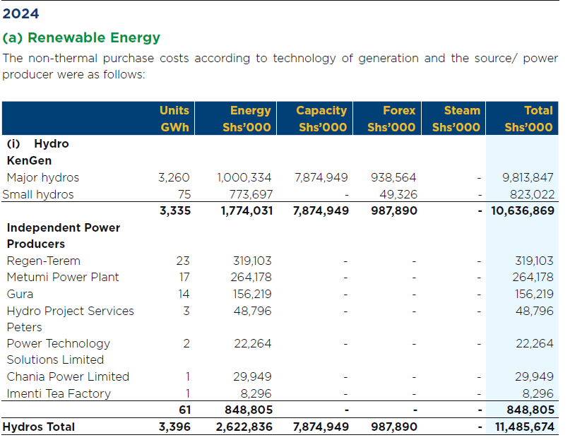

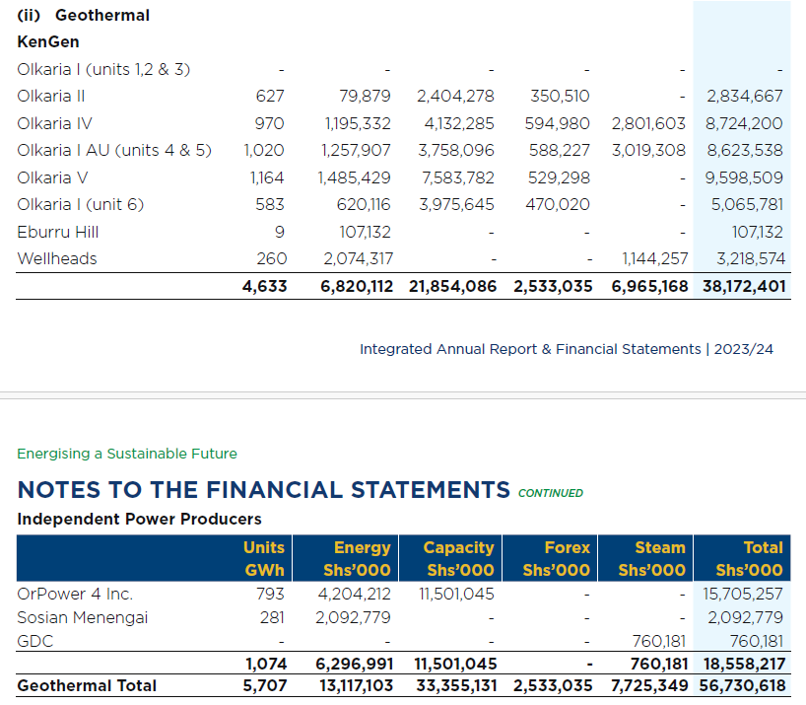

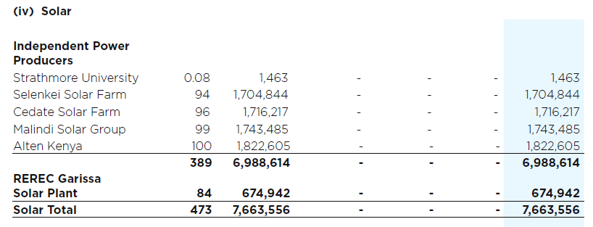

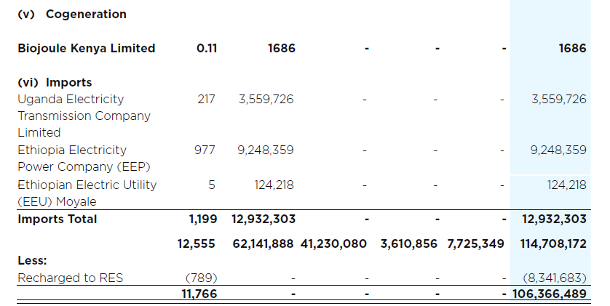

Source: KBNS Customs data
Source: https://www.pigiame.co.ke/listings/dry-firewood-6045399#:~:text=We%20sell%20dry%20firewood%20price,free%20transport%20within%20Nairobi%20county%20.

Domestic exports | Coal and coke | Source: Customs data |  | Ksh/kg | 151.35
 |  |  |  | Ksh/TJ | 5,821,154
Domestic exports | Aviation spirit | Source: Customs data |  | Ksh/litre | 134.67
 |  |  |  | Ksh/TJ | 4,020,000
Domestic exports | Spirit type jet fuel | Source: Customs data |  | Ksh/litre | 808.97
 |  |  |  | Ksh/TJ | 23,113,410
Domestic exports | White spirit and special boiling point industrial spirits | Source: Customs data |  | Ksh/litre | 615.12
 |  |  |  | Ksh/TJ | 18,639,852
Firewood retail price |  | Source: https://www.pigiame.co.ke/listings/dry-firewood-6045399#:~:text=We%20sell%20dry%20firewood%20price,free%20transport%20within%20Nairobi%20county%20. |  | Ksh/tonne | 9000.00
 |  |  |  | Ksh/TJ | 562,500

Source: Data extracted from Kenya Power IAR 2024 tables
 | KSh/GWh | KSh/kWh | Ksh/TJ
Price Kenya Power pays for electricity
Electricity plants (Kengen) | 6,142,348 | 6.14
Electricity plants (Independent Power Producers (IPPs)) | 15,934,203 | 15.93
Electricity plants (REREC) | 8,035,024 | 8.04

Electricity plants (Off-grid)) |  | 8.04

Source: Data extracted from Kenya Power IAR 2024 tables
Consumer prices
Domestic and Small Commercial |  | 16.00
Large and Medium |  | 10.49
Street Lighting |  | 9.24
E-mobility |  | 12.00
Rural electrification |  | 8.71
Other |  | 11.29

Average electricity price |  | 10.59 | 2,940,843

Source: KBNS Customs data
UNITED STATES OF AMERICA | 27101240 | White spirit and special boiling point industrial spirits | 33411240 | 321 | l | 5 | 5 | 20680.47 | Imports | Customs |  | 4136.094
JAPAN | 27101240 | White spirit and special boiling point industrial spirits | 33411240 | 321 | l | 1 | 1 | 31600.35 | Imports | Customs |  | 31600.35
UNITED STATES OF AMERICA | 27101240 | White spirit and special boiling point industrial spirits | 33411240 | 321 | l | 155.54 | 155.54 | 373317.75 | Imports | Customs |  | 2400.1398354
UNITED STATES OF AMERICA | 27101240 | White spirit and special boiling point industrial spirits | 33411240 | 321 | l | 8 | 8 | 2624.78 | Imports | Customs |  | 328.0975

 |  |  |  |  |  |  |  |  |  |  | average | 9,616
 |  |  |  |  |  |  |  |  |  |  | minimum | 328

Source: KBNS Customs data
Kerosene
Country | HS_C | HS product name | SITC_C | BEC | Unit | Quantity | Net weight | Value in KSh | Trade Flow | Source |  | Pricing
NETHERLANDS | 27101210 | Kerosene, including kerosene type jet fuel: | 33411210 | 321 | l | 1836 | 1836 | 951777.48 | Imports | Customs |  | 518

Source: KBNS Customs data
Light diesel oil import
Country | HS_C | HS product name | SITC_C | BEC | Unit | Quantity | Net weight | Value in KSh | Trade Flow | Source |  | Pricing
UNITED ARAB EMIRATES | 27101921 | Petroleum | 33421100 | 322 | l | 169819 | 169819 | 25612261.9 | Imports | Customs |  | 151
OMAN | 27101921 | Petroleum | 33421100 | 322 | l | 313770 | 313770 | 46780158.5 | Imports | Customs |  | 149
UNITED ARAB EMIRATES | 27101921 | Petroleum | 33421100 | 322 | l | 63003 | 63003 | 8736761.36 | Imports | Customs |  | 139
COMOROS | 27101921 | Petroleum | 33421100 | 322 | l | 10 | 10 | 1825.91 | Imports | Customs |  | 183
UNITED ARAB EMIRATES | 27101921 | Petroleum | 33421100 | 322 | l | 82306 | 82306 | 13679511.8 | Imports | Customs |  | 166
UNITED ARAB EMIRATES | 27101921 | Petroleum | 33421100 | 322 | l | 60764465 | 60695455 | 8564848992.4 | Imports | Customs |  | 141
UNITED ARAB EMIRATES | 27101921 | Petroleum | 33421100 | 322 | l | 132066 | 104137 | 17077880 | Imports | Customs |  | 129
OMAN | 27101921 | Petroleum | 33421100 | 322 | l | 213651 | 167310 | 24162465.4 | Imports | Customs |  | 113
UNITED ARAB EMIRATES | 27101921 | Petroleum | 33421100 | 322 | l | 1512837 | 1185223 | 189540208.8 | Imports | Customs |  | 125
OMAN | 27101921 | Petroleum | 33421100 | 322 | l | 110010903 | 85954113 | 11933491557 | Imports | Customs |  | 108
UNITED ARAB EMIRATES | 27101921 | Petroleum | 33421100 | 322 | l | 539 | 424 | 70412.1 | Imports | Customs |  | 131
CENTRAL AFRICAN REPUBLIC | 27101921 | Petroleum | 33421100 | 322 | l | 14 | 14 | 3367.5 | Imports | Customs |  | 241
COMOROS | 27101921 | Petroleum | 33421100 | 322 | l | 10 | 10 | 1631.51 | Imports | Customs |  | 163
BAHRAIN | 27101921 | Petroleum | 33421100 | 322 | l | 29882251 | 29830889 | 3838918987.6 | Imports | Customs |  | 128
OMAN | 27101921 | Petroleum | 33421100 | 322 | l | 81988523 | 64063014 | 7660697705.3 | Imports | Customs |  | 93
UNITED ARAB EMIRATES | 27101921 | Petroleum | 33421100 | 322 | l | 54910 | 54910 | 6719360 | Imports | Customs |  | 122
CENTRAL AFRICAN REPUBLIC | 27101921 | Petroleum | 33421100 | 322 | l | 32 | 32 | 9362.18 | Imports | Customs |  | 293
COMOROS | 27101921 | Petroleum | 33421100 | 322 | l | 10 | 10 | 1494.16 | Imports | Customs |  | 149
UNITED STATES OF AMERICA | 27101921 | Petroleum | 33421100 | 322 | l | 9 | 9 | 2646.14 | Imports | Customs |  | 294
UNITED ARAB EMIRATES | 27101921 | Petroleum | 33421100 | 322 | l | 1041674 | 818051 | 118455571.2 | Imports | Customs |  | 114
OMAN | 27101921 | Petroleum | 33421100 | 322 | l | 66993765 | 66993765 | 8078225246 | Imports | Customs |  | 121
UNITED ARAB EMIRATES | 27101921 | Petroleum | 33421100 | 322 | l | 26042 | 20323 | 2450560 | Imports | Customs |  | 94
OMAN | 27101921 | Petroleum | 33421100 | 322 | l | 468480 | 366866 | 43991056.2 | Imports | Customs |  | 94
UNITED ARAB EMIRATES | 27101921 | Petroleum | 33421100 | 322 | l | 130000 | 101975 | 12341160 | Imports | Customs |  | 95
UNITED KINGDOM | 27101921 | Petroleum | 33421100 | 322 | l | 4 | 4 | 166.22 | Imports | Customs |  | 42
CENTRAL AFRICAN REPUBLIC | 27101921 | Petroleum | 33421100 | 322 | l | 14 | 14 | 4784.54 | Imports | Customs |  | 342
OMAN | 27101921 | Petroleum | 33421100 | 322 | l | 334239 | 262062 | 31728324.4 | Imports | Customs |  | 95
OMAN | 27101921 | Petroleum | 33421100 | 322 | l | 100000 | 78405 | 9584760 | Imports | Customs |  | 96
COMOROS | 27101921 | Petroleum | 33421100 | 322 | l | 10 | 10 | 1462.59 | Imports | Customs |  | 146
OMAN | 27101921 | Petroleum | 33421100 | 322 | l | 63942 | 50000 | 5558384.95 | Imports | Customs |  | 87
UNITED ARAB EMIRATES | 27101921 | Petroleum | 33421100 | 322 | l | 856954 | 670000 | 80100480.7 | Imports | Customs |  | 93
OMAN | 27101921 | Petroleum | 33421100 | 322 | l | 172550017 | 134622149 | 14780773100 | Imports | Customs |  | 86
BAHRAIN | 27101921 | Petroleum | 33421100 | 322 | l | 125281 | 98834 | 12013520 | Imports | Customs |  | 96
OMAN | 27101921 | Petroleum | 33421100 | 322 | l | 13990 | 10940 | 1292200 | Imports | Customs |  | 92
CENTRAL AFRICAN REPUBLIC | 27101921 | Petroleum | 33421100 | 322 | l | 10 | 12 | 4699.24 | Imports | Customs |  | 470
COMOROS | 27101921 | Petroleum | 33421100 | 322 | l | 12 | 15 | 2202.67 | Imports | Customs |  | 184
KUWAIT | 27101921 | Petroleum | 33421100 | 322 | l | 81207222 | 63663085 | 7361302956 | Imports | Customs |  | 91
OMAN | 27101921 | Petroleum | 33421100 | 322 | l | 178658 | 139419 | 15724154 | Imports | Customs |  | 88
KUWAIT | 27101921 | Petroleum | 33421100 | 322 | l | 202294 | 158000 | 17535153.2 | Imports | Customs |  | 87
OMAN | 27101921 | Petroleum | 33421100 | 322 | l | 83531531 | 65040658 | 6959005780 | Imports | Customs |  | 83
OMAN | 27101921 | Petroleum | 33421100 | 322 | l | 154678 | 120713 | 13745480 | Imports | Customs |  | 89
KUWAIT | 27101921 | Petroleum | 33421100 | 322 | l | 114861 | 90365 | 10380564.1 | Imports | Customs |  | 90
UNITED KINGDOM | 27101921 | Petroleum | 33421100 | 322 | l | 1.6 | 1.6 | 172.4 | Imports | Customs |  | 108
SOUTH AFRICA | 27101921 | Petroleum | 33421100 | 322 | l | 3 | 3 | 524.45 | Imports | Customs |  | 175
CENTRAL AFRICAN REPUBLIC | 27101921 | Petroleum | 33421100 | 322 | l | 7 | 7 | 58425.38 | Imports | Customs |  | 8,346
OMAN | 27101921 | Petroleum | 33421100 | 322 | l | 150000 | 150000 | 16373875.9 | Imports | Customs |  | 109
OMAN | 27101921 | Petroleum | 33421100 | 322 | l | 35353277 | 35353277 | 3556019398 | Imports | Customs |  | 101
OMAN | 27101921 | Petroleum | 33421100 | 322 | l | 231826 | 193701 | 22105987.18 | Imports | Customs |  | 95
INDIA | 27101921 | Petroleum | 33421100 | 322 | l | 26972 | 21465 | 2213290.39 | Imports | Customs |  | 82
OMAN | 27101921 | Petroleum | 33421100 | 322 | l | 80000 | 80000 | 8498023.08 | Imports | Customs |  | 106
INDIA | 27101921 | Petroleum | 33421100 | 322 | l | 41521837 | 32966450 | 3347025090 | Imports | Customs |  | 81
OMAN | 27101921 | Petroleum | 33421100 | 322 | l | 32401864 | 32401864 | 3241032562 | Imports | Customs |  | 100
BAHRAIN | 27101921 | Petroleum | 33421100 | 322 | l | 147000 | 115968 | 14188760 | Imports | Customs |  | 97
OMAN | 27101921 | Petroleum | 33421100 | 322 | l | 3988 | 3988 | 411160 | Imports | Customs |  | 103
CENTRAL AFRICAN REPUBLIC | 27101921 | Petroleum | 33421100 | 322 | l | 7 | 7 | 58460.35 | Imports | Customs |  | 8,351
UNITED ARAB EMIRATES | 27101921 | Petroleum | 33421100 | 322 | l | 26769 | 21182 | 2202965.44 | Imports | Customs |  | 82
UNITED ARAB EMIRATES | 27101921 | Petroleum | 33421100 | 322 | l | 43396785 | 34116557 | 3506437564 | Imports | Customs |  | 81
INDIA | 27101921 | Petroleum | 33421100 | 322 | l | 3271156 | 2596896 | 273908560.4 | Imports | Customs |  | 84
OMAN | 27101921 | Petroleum | 33421100 | 322 | l | 41749417 | 32380381 | 3448754698.7 | Imports | Customs |  | 83
UNITED ARAB EMIRATES | 27101921 | Petroleum | 33421100 | 322 | l | 594992 | 470817 | 49938526.7 | Imports | Customs |  | 84
INDIA | 27101921 | Petroleum | 33421100 | 322 | l | 15224 | 15224 | 1598965.43 | Imports | Customs |  | 105
OMAN | 27101921 | Petroleum | 33421100 | 322 | l | 172159 | 172159 | 21002040 | Imports | Customs |  | 122
UNITED KINGDOM | 27101921 | Petroleum | 33421100 | 322 | l | 4 | 4 | 167.6 | Imports | Customs |  | 42
UNITED ARAB EMIRATES | 27101921 | Petroleum | 33421100 | 322 | l | 33488342 | 33488342 | 3520196045 | Imports | Customs |  | 105
BAHRAIN | 27101921 | Petroleum | 33421100 | 322 | l | 31020117 | 31020117 | 3198665933 | Imports | Customs |  | 103
INDIA | 27101921 | Petroleum | 33421100 | 322 | l | 85000 | 85000 | 9009725.42 | Imports | Customs |  | 106
OMAN | 27101921 | Petroleum | 33421100 | 322 | l | 1952258 | 1910271 | 205784059.8 | Imports | Customs |  | 105

 |  |  |  |  |  |  |  |  |  |  | average | 371
 |  |  |  |  |  |  |  |  |  |  | minimum | 42

Source: KBNS Customs data
Fuel Oils
Country | HS_C | HS product name | SITC_C | BEC | Unit | Quantity | Net weight | Value in KSh | Trade Flow | Source |  | Pricing
CHINA | 27101939 | Petroleum | 33440900 | 322 | l | 13790.52 | 13790.52 | 3743451.44 | Imports | Customs |  | 271
UNITED STATES OF AMERICA | 27101939 | Petroleum | 33440900 | 322 | l | 12 | 11 | 132872.64 | Imports | Customs |  | 11,073
SEYCHELLES | 27101939 | Petroleum | 33440900 | 322 | l | 8 | 8 | 137.6 | Imports | Customs |  | 17
UNITED STATES OF AMERICA | 27101939 | Petroleum | 33440900 | 322 | l | 43 | 43 | 2290633.73 | Imports | Customs |  | 53,271
SEYCHELLES | 27101939 | Petroleum | 33440900 | 322 | l | 4 | 4 | 2934.01 | Imports | Customs |  | 734
INDIA | 27101939 | Petroleum | 33440900 | 322 | l | 11604 | 10260 | 1755774.58 | Imports | Customs |  | 151
SEYCHELLES | 27101939 | Petroleum | 33440900 | 322 | l | 8 | 8 | 2791.57 | Imports | Customs |  | 349
SEYCHELLES | 27101939 | Petroleum | 33440900 | 322 | l | 16 | 16 | 7476.59 | Imports | Customs |  | 467
SEYCHELLES | 27101939 | Petroleum | 33440900 | 322 | l | 8 | 8 | 2518.78 | Imports | Customs |  | 315
UNITED STATES OF AMERICA | 27101939 | Petroleum | 33440900 | 322 | l | 40 | 42 | 108776.66 | Imports | Customs |  | 2,719
SEYCHELLES | 27101939 | Petroleum | 33440900 | 322 | l | 21 | 21 | 4671.9 | Imports | Customs |  | 222
UNITED STATES OF AMERICA | 27101939 | Petroleum | 33440900 | 322 | l | 100 | 100 | 145983.06 | Imports | Customs |  | 1,460
FRANCE | 27101939 | Petroleum | 33440900 | 322 | l | 1.5 | 1.5 | 15033.09 | Imports | Customs |  | 10,022
SEYCHELLES | 27101939 | Petroleum | 33440900 | 322 | l | 4 | 4 | 1393 | Imports | Customs |  | 348
UNITED KINGDOM | 27101939 | Petroleum | 33440900 | 322 | l | 8050 | 8050 | 1785227.49 | Imports | Customs |  | 222
UNITED KINGDOM | 27101939 | Petroleum | 33440900 | 322 | l | 2000 | 2000 | 375698.64 | Imports | Customs |  | 188

 |  |  |  |  |  |  |  |  |  |  | average | 5,114
 |  |  |  |  |  |  |  |  |  |  | minimum | 17

